AMB-2707-40
 |  |  |  | GOODS RECEIVED NOTE

Sender |  |  |  | Received Date
M1SS |  |  |  | 2021-09-09
 |  |  |  | SJ No.

 |  |  |  | Ship via |  |  | Plat Number

PO No. | Code | Item | Quantity DO | QC |  |  | Remarks
 |  |  |  | Pass | Reject | Total
AMB-2707-40 | AMBF0017MCV-BrS.36 | Kara Canvas Maroon 36 | 10 | 6 | 4 | 10 | kerutan
AMB-2707-40 | AMBF0017MCV-BrS.37 | Kara Canvas Maroon 37 | 6 | 4 | 1 | 5 | kerutan
AMB-2707-40 | AMBF0017MCV-BrS.38 | Kara Canvas Maroon 38 | 10 | 8 | 2 | 10 | kerutan
AMB-2707-40 | AMBF0017MCV-BrS.39 | Kara Canvas Maroon 39 | 14 | 13 | 1 | 14 | kerutan
AMB-2707-40 | AMBF0017MCV-BrS.40 | Kara Canvas Maroon 40 | 2 | 2 |  | 2
AMB-2707-40 | AMBF0017BLCV-BrS.36 | Kara Canvas Blue 36 Brs | 4 | 3 | 1 | 4 | Sole tidak rapat
AMB-2707-40 | AMBF0017BLCV-BrS.37 | Kara Canvas Blue 37 Brs | 4 | 2 | 2 | 4 | Sole tidak rapat
AMB-2707-40 | AMBF0017BLCV-BrS.38 | Kara Canvas Blue 38 Brs | 6 | 4 | 2 | 6 | Sole tidak rapat
AMB-2707-40 | AMBF0017BLCV-BrS.39 | Kara Canvas Blue 39 Brs | 8 | 6 | 2 | 8 | Sole tidak rapat
AMB-2707-40 | AMBF0017BLCV-BrS.40 | Kara Canvas Blue 40 Brs | 2 |  | 2 | 2 | Sole tidak rapat
AMB-2707-40 | AMBF0017BCV-BrS.36 | Kara Canvas Black Brs 36 | 7 | 2 | 5 | 7 | gak ada label size
AMB-2707-40 | AMBF0017BCV-BrS.37 | Kara Canvas Black Brs 37 | 10 | 11 |  | 11
AMB-2707-40 | AMBF0017BCV-BrS.38 | Kara Canvas Black Brs 38 | 12 | 10 | 2 | 12 | kerutan
AMB-2707-40 | AMBF0017BCV-BrS.39 | Kara Canvas Black Brs 39 | 14 | 11 | 3 | 14 | kerutan
AMB-2707-40 | AMBF0017BCV-BrS.40 | Kara Canvas Black Brs 40 | 6 | 6 |  | 6
AMB-2707-40 | AMBF0023CBr-CS.36 | Poly Choco Brown 36 | 4 | 4 |  | 4
AMB-2707-40 | AMBF0023CBr-CS.37 | Poly Choco Brown 37 | 8 | 7 | 1 | 8 | Kulit cacat
AMB-2707-40 | AMBF0023CBr-CS.38 | Poly Choco Brown 38 | 12 | 8 | 4 | 12 | Sole tidak rapat
AMB-2707-40 | AMBF0023CBr-CS.39 | Poly Choco Brown 39 | 17 | 11 | 6 | 17 | Sole tidak rapat/bekas retakan
AMB-2707-40 | AMBF0023CBr-CS.40 | Poly Choco Brown 40 | 8 | 7 | 1 | 8 | Sole tidak rapat
AMB-2707-40 | AMBF0023B-BS.36 | Poly Black 36 | 11 | 11 |  | 11
AMB-2707-40 | AMBF0023B-BS.37 | Poly Black 37 | 17 | 16 | 1 | 17 | Keriput
AMB-2707-40 | AMBF0023B-BS.38 | Poly Black 38 | 19 | 16 | 3 | 19 | Sole tidak rapat, lining sobek, analin cacat
AMB-2707-40 | AMBF0023B-BS.39 | Poly Black 39 | 24 | 24 |  | 24
AMB-2707-40 | AMBF0023B-BS.40 | Poly Black 40 | 9 | 9 |  | 9
Total |  |  |  | 201 | 43 | 244
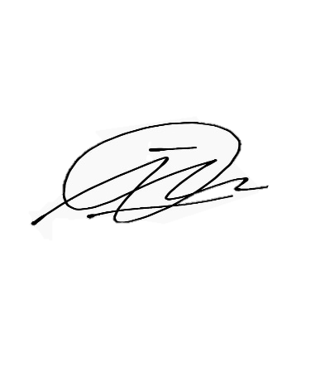

Notes
 |  |  | Received By |  |  | Checked By

 |  |  | Imam D |  |  | Imam D
 |  |  | Date |  |  | Date
 |  |  | 2021-09-09 |  |  | 2021-09-08

 |  |  |  |  |  |  | PTS.sc

